Resource estimate
Resource estimate - Terrace Resource Block, Upshot Creek |  |  |  |  |  |  |  |  | Resource estimate - weighted

Site | Depth (m) | Overburden (m) | Wash thickness (m) | Volume (m3) | Grade (mg Au/m3) | Bottom contact | Comment | Weighing zone |  | Weighted average grade (mg/m3) | Average wash thickness (m) | Average overburden thickness (m) | Resource block land area (m2) | Resource block volume (m3) | Overburden volume (m3) | Gold resource (mg) | Gold resource (troy oz)
1 | 4.9 | 2.1 | 2.8 | 10 | 93 | Mudstone | Issues with pit collapse and infiltration | 1 | Zone 1 | 493 | 2.98 | 1.9 | 92,000 | 274,160 | 174,800 | 135,286,927 | 4,350
2 | 5.2 | 1.6 | 3.6 | 15 | 112 | Mudstone |  | 1 | Zone 2 | 244 | 3.07 | 1.88 | 163,000 | 499,867 | 306,983 | 122,171,438 | 3,928
4 | 3.8 | 1.7 | 2.1 | 15 | 367 | Mudstone |  | 1 | Zone 3 | 166 | 3.15 | 1.48 | 116,000 | 365,400 | 171,100 | 60,482,171 | 1,945
5 | 5.2 | 1.9 | 3.3 | 200 | 559 | Mudstone | Bulk sample | 1 | Global resource | 279 | 3.07 | 1.76 | 371,000 | 1,139,427 | 652,883 |  | 10,222
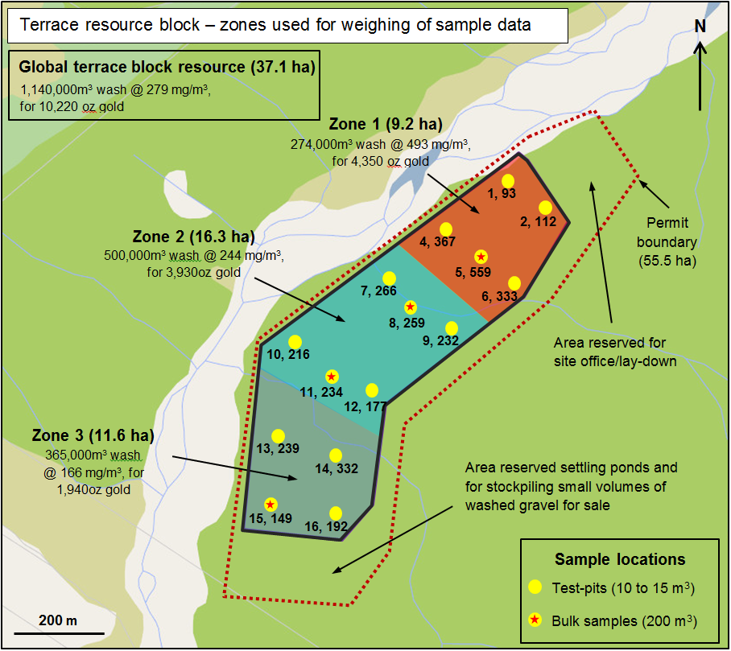
6 | 5.3 | 2.2 | 3.1 | 15 | 333 | Mudstone |  | 1
7 | 5.1 | 2.5 | 2.6 | 15 | 266 | Mudstone |  | 2 | Conversion factor mg:troy oz
8 | 5 | 1.3 | 3.7 | 200 | 259 | Mudstone | Bulk sample | 2 | 3.21507E-05
9 | 5.5 | 2.4 | 3.1 | 15 | 232 | Mudstone |  | 2
10 | 4.6 | 2.1 | 2.5 | 15 | 216 | Mudstone |  | 2
11 | 4.5 | 1.3 | 3.2 | 200 | 234 | Mudstone | Bulk sample | 2
12 | 5 | 1.7 | 3.3 | 15 | 177 | Mudstone |  | 2
13 | 3.6 | 1.1 | 2.5 | 15 | 239 | Mudstone |  | 3
14 | 4.8 | 1.5 | 3.3 | 15 | 332 | Mudstone |  | 3
15 | 5.1 | 1.4 | 3.7 | 200 | 149 | Mudstone | Bulk sample | 3
16 | 5 | 1.9 | 3.1 | 15 | 192 | Mudstone |  | 3
3 | 5.8 | 3.1 | 2.7 | 15 | 42 | Mudstone | Excluded from resource estimate | N/A
17 | 4.7 | 1.8 | 2.9 | 15 | 14 | Mudstone | Excluded from resource estimate | N/A
18 | 5.5 | 2.5 | 3 | 15 | 23 | Mudstone | Excluded from resource estimate | N/A
Sample sites from Cash Cow Limited, 1992 (as reported in MR7777)
29 | 4 | Not stated | Not stated | 10 | 109 | Base of wash not reached | Excluded from resource estimate as base not sampled | N/A
30 | 4 | Not stated | Not stated | 10 | 132 | Base of wash not reached | Excluded from resource estimate as base not sampled | N/A
31 | 4 | Not stated | Not stated | 10 | 91 | Base of wash not reached | Excluded from resource estimate as base not sampled | N/A

 |  |  |  |  |  |  |  |  | Resource estimate - (non-weighted - i.e. based on arithmetic means)

 |  |  |  |  |  |  |  |  | Ave. grade (mg/m3) | Ave. wash thickness (m) | Volume of wash (m3) | Gold resource (troy oz.) | ∆ (Weighted minus non-weighted)
 |  |  |  |  |  |  |  |  | 251 | 3.06 | 1,135,260 | 9,149 | 1,073

Project economics
Project economics |  |  |  |  |  |  | Detailed Costs

Total gold-bearing gravel resource |  |  | Total annual profit/loss |  | Total annual costs |  | Wages | 2 | employees
1,139,427 | m3 |  | Total Income | $723,443 | Wages | $100,800 |  | $30 | hourly rate
 |  |  | Total Costs | $367,279 | Equipment | $84,000 |  | 40 | hours per week
 |  |  | Profit/loss | $356,165 | Fuel | $72,000.00 |  | 42 | weeks per year
Global gold grade (weighted average) |  |  |  |  | Maintenance | $23,400.00 |  | $100,800 | total wages per year (gross)
279 | mg/m3 |  |  |  | Adminstration | $87,079
 |  |  |  |  |  | $367,279
Annual production |  |  |  |  |  |  | Equipment hire* - 30 tonne digger
Production | Units |  |  |  | Time needed to deplete resource |  |  | 40 | hours per week
240 | m3 | wash processed per day |  |  | 23.61 | years* |  | $50 | Lease rate$/hour
1,200 | m3 | wash processed per week |  |  | *assumes mining commences after 12 months |  |  | $84,000 | annual cost (for 42 weeks production only)
42 | weeks | weeks production per year |  |  |  |  | *All other equipment is owned by applicant
750 | m3 | overburden moved per week
50,400 | m3 | annual production of gold-bearing gravels processed
452 | troy oz | annual gold production |  |  |  |  | Fuel/diesel |  | L/hour | L/week | $/week | Cost per 48 weeks year
$723,443 | NZD | Gross annual gold income |  |  |  |  |  | 20T digger | 10 | 400 | $500.00 | $24,000
*assumes plant is working 8 hours a day, 5 days a week, 42 weeks per year, and mining commences within 12 months of permit grant |  |  |  |  |  |  |  | 30T digger | 15 | 600 | $750.00 | $36,000
 |  |  |  |  |  |  |  | Pumps | 2 | 80 | $100.00 | $4,800
Unit costs and conversion factors |  |  |  |  |  |  |  | Screen | 3 | 120 | $150.00 | $7,200
0.000032151 | convert mg to troy oz |  |  |  |  |  |  | Total |  |  |  | $72,000
$1,600 | NZD per troy oz Au
$1.25 | Diesel price per Litre |  |  |  |  |  | Maintenance contingency
 |  |  |  |  |  |  | $23,400 | (15% of equipment hire and run cost)

Adjust local gold price in cell B23 until Profit/loss in cell I9 = 0
Break-even gold price |  |  |  |  |  |  | Adminstration costs
$715 | NZD |  |  |  |  |  | $1,000 | NZP&M permit fees (annual)
 |  |  |  |  |  |  | $7,234 | NZP&M royalty (rough estimate based on 1% of gold income)
 |  |  |  |  |  |  | $1,500 | Council site visit (annual)
 |  |  |  |  |  |  | $1,500 | Resource consents
 |  |  |  |  |  |  | $72,344 | Land owner 'royalty' (10% of gross gold income)
 |  |  |  |  |  |  | $1,500 | Insurance (yearly)
 |  |  |  |  |  |  | $2,000 | Health and Safety
 |  |  |  |  |  |  | $87,079

